Sheet1
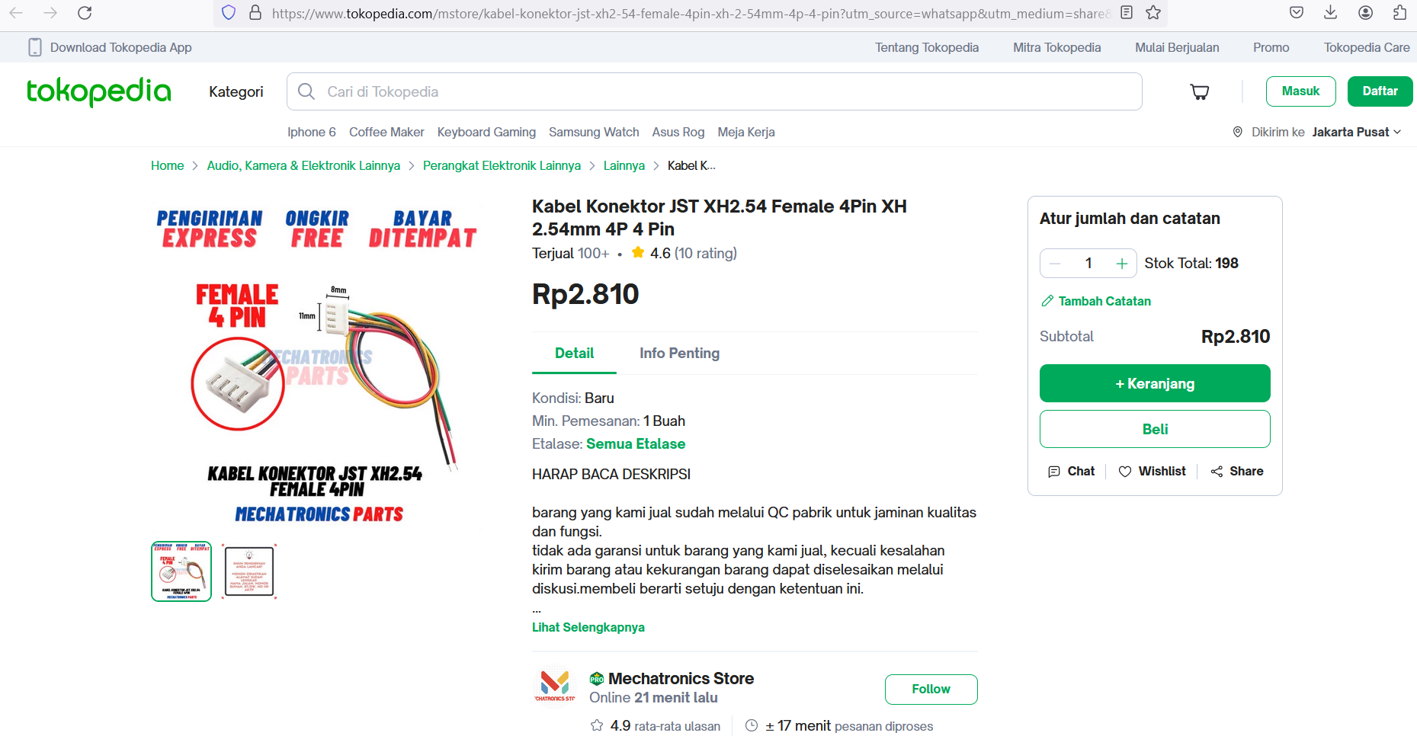
https://www.tokopedia.com/mstore/kabel-konektor-jst-xh2-54-female-4pin-xh-2-54mm-4p-4-pin?utm_source=whatsapp&utm_medium=share&utm_campaign=PDP-6893826-10972581721-190424-RKdhUE&_branch_match_id=1310860397536017914&_branch_referrer=H4sIAAAAAAAAA8soKSkottLXL8nPzi9ITclM1MvJzMvWtwhKz3QzDTYN9UwCAHctmVkiAAAA

kabel6jalur
